Dashboard
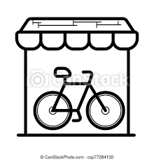 BIKE SALES DASHBOARD

Average Income Per Purchase
 | No | Yes
F | 40000 | 38571
M | 40000 | 46806
Customer Age Brackets
 | No | Yes
Middle Age 31-54 | 282 | 332
Old 55+ | 166 | 110
Adolscent 0-30 | 71 | 39

Customer Commute
 | No | Yes
0-1 Miles | 88 | 110
1-2 Miles | 23 | 19
2-5 Miles | 26 | 14
5-10 Miles | 8 | 10
10+ Miles | 15 | 3

